Financial Health
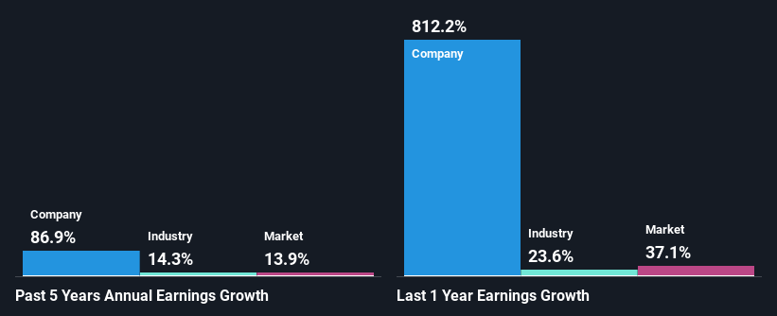
Financial position analysis |  | expressed in 000$

 | SHORT TERM |  |  |  | LONG TERM
 | 2019 | 2020 | 2021 |  | 2019 | 2020 | 2021
Assets | $2,742,228 | $6,877,756 | $8,539,320 | Assets | $747,251 | $885,149 | $4,800,852
Liabilities | $316,382 | $438,332 | $702,733 | Liabilities | $157,363 | $923,850 | $1,504,098

Short term 2019
Short term 2020
Short term 2021

Long term 2019
Long term 2020
Long term 2021

Debt-to-equity history
Debt Level: SHOP has more cash than its total debt.
Debt Coverage: SHOP's debt is well covered by operating cash flow (55.4%).
Interest Coverage: SHOP earns more interest than it pays, so coverage of interest payments is not a concern.

 | 2019 | 2020 | 2021
Long term debt | $473,745 | $900,000 | $1,160,000
Equity | $3,015,734 | $6,400,723 | $11,133,341
Debt-to-equity | 0.16 | 0.14 | 0.10
Industry debt-to-equity | 1.03 | 1.1 | 1.08

 |  | Past earnings growth analysis

